New Production
S.NO | IMAGES | SIZE | STYLE NO | SKU NAME | COLOR | FABRIC | SLEEVES | NECK | Fit | PRINT | BASE PRICE | MRP | BUST | WAIST | HIPS | HEIGHT | ARM HOLE | SLEEVE LENGTH | SLEEVE OPEING

1 | 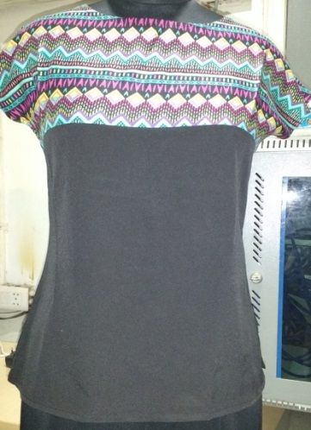 | S | CQTOP-117-001-BLACK | CQTOP-117-001-BLACK-S | BLACK | YOKE RAYON /POLY CREPE | CAP | ROUND | Slim Fit | PRINTED |  | 749 | 34"/86cm | 32"/81cm | 24.5"/62cm | 24.5"/62cm | 6"/15CM |  | 5.5'/14CM
 |  | M | CQTOP-117-001-BLACK | CQTOP-117-001-BLACK-M | BLACK | YOKE RAYON /POLY CREPE | CAP | ROUND | Slim Fit | PRINTED |  | 749 | 36"/92cm | 33"/84cm | 25.5"/65cm | 25.5"/65cm | 7"/18CM |  | 6'/15CM
 |  | L | CQTOP-117-001-BLACK | CQTOP-117-001-BLACK-L | BLACK | YOKE RAYON /POLY CREPE | CAP | ROUND | Slim Fit | PRINTED |  | 749 | 38"/97cm | 34"/86cm | 26.5"/68cm | 26.5"/68cm | 8"21CM |  | 6.5'/16CM
 |  | XL | CQTOP-117-001-BLACK | CQTOP-117-001-BLACK-XL | BLACK | YOKE RAYON /POLY CREPE | CAP | ROUND | Slim Fit | PRINTED |  | 749 | 40"/102cm | 35"/89cm | 27.5"/70cm | 27.5"/70cm | 9"/23CM |  | 7'/17CM
2 | 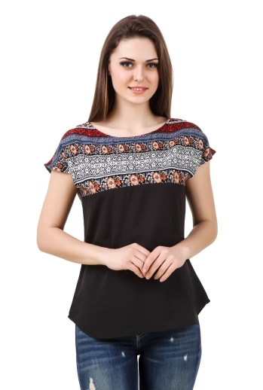 | S | CQTOP-117-001-WBLUE | CQTOP-117-001-WBLUE-S | BLUE | YOKE RAYON /POLY CREPE | CAP | ROUND | Slim Fit | PRINTED |  | 749 | 34"/86cm | 32"/81cm | 24.5"/62cm | 24.5"/62cm | 6"/15CM |  | 5.5'/14CM
 |  | M | CQTOP-117-001-WBLUE | CQTOP-117-001-WBLUE-M | BLUE | YOKE RAYON /POLY CREPE | CAP | ROUND | Slim Fit | PRINTED |  | 749 | 36"/92cm | 33"/84cm | 25.5"/65cm | 25.5"/65cm | 7"/18CM |  | 6'/15CM
 |  | L | CQTOP-117-001-WBLUE | CQTOP-117-001-WBLUE-L | BLUE | YOKE RAYON /POLY CREPE | CAP | ROUND | Slim Fit | PRINTED |  | 749 | 38"/97cm | 34"/86cm | 26.5"/68cm | 26.5"/68cm | 8"21CM |  | 6.5'/16CM
 |  | XL | CQTOP-117-001-WBLUE | CQTOP-117-001-WBLUE-XL | BLUE | YOKE RAYON /POLY CREPE | CAP | ROUND | Slim Fit | PRINTED |  | 749 | 40"/102cm | 35"/89cm | 27.5"/70cm | 27.5"/70cm | 9"/23CM |  | 7'/17CM
3 | 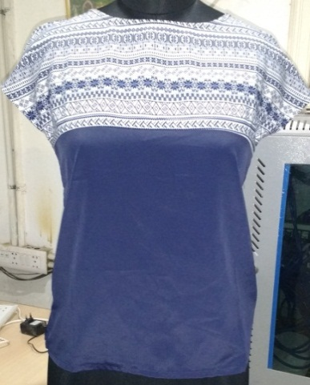 | S | CQTOP-117-001-BLUE | CQTOP-117-001-BLUE-S | BLUE | YOKE RAYON /POLY CREPE | CAP | ROUND | Slim Fit | PRINTED |  | 749 | 34"/86cm | 32"/81cm | 24.5"/62cm | 24.5"/62cm | 6"/15CM |  | 5.5'/14CM
 |  | M | CQTOP-117-001-BLUE | CQTOP-117-001-BLUE-M | BLUE | YOKE RAYON /POLY CREPE | CAP | ROUND | Slim Fit | PRINTED |  | 749 | 36"/92cm | 33"/84cm | 25.5"/65cm | 25.5"/65cm | 7"/18CM |  | 6'/15CM
 |  | L | CQTOP-117-001-BLUE | CQTOP-117-001-BLUE-L | BLUE | YOKE RAYON /POLY CREPE | CAP | ROUND | Slim Fit | PRINTED |  | 749 | 38"/97cm | 34"/86cm | 26.5"/68cm | 26.5"/68cm | 8"21CM |  | 6.5'/16CM
 |  | XL | CQTOP-117-001-BLUE | CQTOP-117-001-BLUE-XL | BLUE | POLY CREPE | CAP | ROUND | Slim Fit | PRINTED |  | 749 | 40"/102cm | 35"/89cm | 27.5"/70cm | 27.5"/70cm | 9"/23CM |  | 7'/17CM
4 | 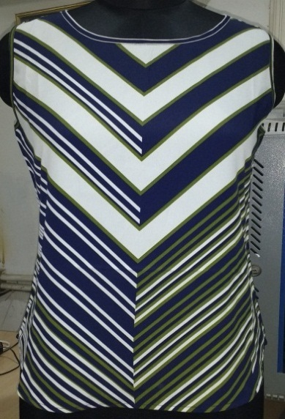 | S | CQTOP-117-002-GREENCUT | CQTOP-117-002-GREENCUT-S | GREEN | POLY CREPE | SLEEVE LESS | ROUND | Regular Fit | PRINTED |  | 899 | 34"/86cm | 32"/81cm | 24.5"/62cm | 24.5"/62cm |  |  | 5.5'/14CM
 |  | M | CQTOP-117-002-GREENCUT | CQTOP-117-002-GREENCUT-M | GREEN | POLY CREPE | SLEEVE LESS | ROUND | Regular Fit | PRINTED |  | 899 | 36"/92cm | 33"/84cm | 25.5"/65cm | 25.5"/65cm |  |  | 6'/15CM
 |  | L | CQTOP-117-002-GREENCUT | CQTOP-117-002-GREENCUT-L | GREEN | POLY CREPE | SLEEVE LESS | ROUND | Regular Fit | PRINTED |  | 899 | 38"/97cm | 34"/86cm | 26.5"/68cm | 26.5"/68cm |  |  | 6.5'/16CM
 |  | XL | CQTOP-117-002-GREENCUT | CQTOP-117-002-GREENCUT-XL | GREEN | POLY CREPE | SLEEVE LESS | ROUND | Regular Fit | PRINTED |  | 899 | 40"/102cm | 35"/89cm | 27.5"/70cm | 27.5"/70cm |  |  | 7'/17CM
5 | 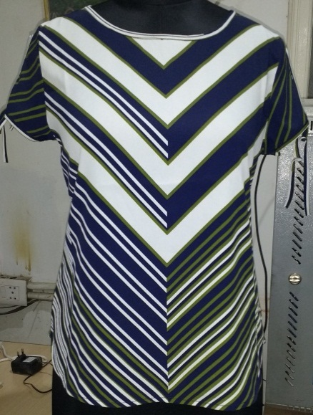 | S | CQTOP-117-003-GREENHALF | CQTOP-117-003-GREENHALF-S | GREEN | POLY CREPE | HALF SLEEVE | ROUND | Regular Fit | PRINTED |  | 999 | 34"/86cm | 32"/81cm | 24.5"/62cm | 24.5"/62cm | 8'/20cm | 5'/13CM | 5.5'/14CM
 |  | M | CQTOP-117-003-GREENHALF | CQTOP-117-003-GREENHALF-M | GREEN | POLY CREPE | HALF SLEEVE | ROUND | Regular Fit | PRINTED |  | 999 | 36"/92cm | 33"/84cm | 25.5"/65cm | 25.5"/65cm | 8.5'/22cm | 5.5/14CM | 6'/15CM
 |  | L | CQTOP-117-003-GREENHALF | CQTOP-117-003-GREENHALF-L | GREEN | POLY CREPE | HALF SLEEVE | ROUND | Regular Fit | PRINTED |  | 999 | 38"/97cm | 34"/86cm | 26.5"/68cm | 26.5"/68cm | 9'/23cm | 6/15CM | 6.5'/16CM
 |  | XL | CQTOP-117-003-GREENHALF | CQTOP-117-003-GREENHALF-XL | GREEN | POLY CREPE | HALF SLEEVE | ROUND | Regular Fit | PRINTED |  | 999 | 40"/102cm | 35"/89cm | 27.5"/70cm | 27.5"/70cm | 9.5'/24cm | 6.5'/16CM | 7'/17CM
6 | 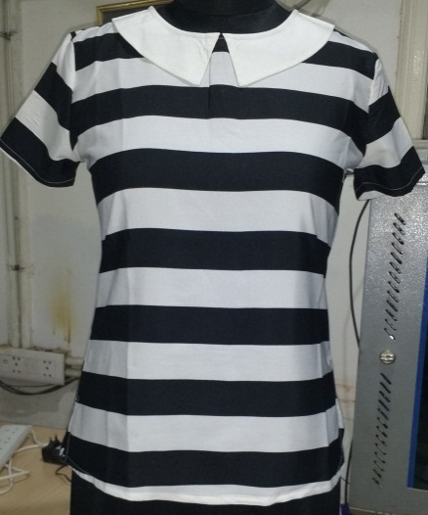 | S | CQTOP-117-004-B&W | CQTOP-117-004-B&W-S | BLACK & WHITE | POLY CREPE | HALF SLEEVE | PETERPAN | Slim Fit
 |  | M | CQTOP-117-004-B&W | CQTOP-117-004-B&W-M | BLACK & WHITE | POLY CREPE | HALF SLEEVE | PETERPAN | Slim Fit
 |  | L | CQTOP-117-004-B&W | CQTOP-117-004-B&W-L | BLACK & WHITE | POLY CREPE | HALF SLEEVE | PETERPAN | Slim Fit
 |  | XL | CQTOP-117-004-B&W | CQTOP-117-004-B&W-XL | BLACK & WHITE | POLY CREPE | HALF SLEEVE | PETERPAN | Slim Fit
7 | 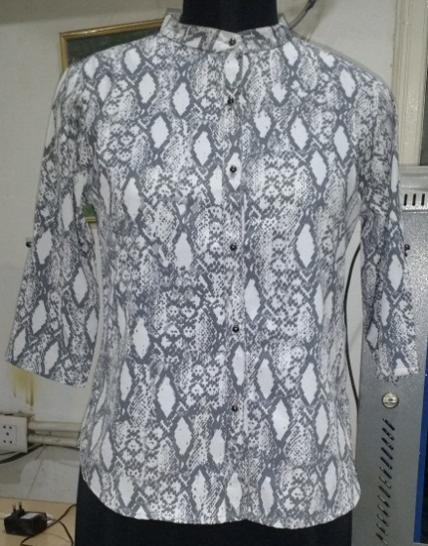 | S | CQSHIRT-117-005-SNAKESKIN | CQSHIRT-117-005-SNAKESKIN-S | GREY | POLY CREPE | 3/4 SLEEVE | MANDARIN | Slim Fit | SNAKE |  |  |  | 32"/81cm | 26"/66cm | 26"/66cm | 8"/20CM | 18"/46CM | 5"/12CM
 |  | M | CQSHIRT-117-005-SNAKESKIN | CQSHIRT-117-005-SNAKESKIN-M | GREY | POLY CREPE | 3/4 SLEEVE | MANDARIN | Slim Fit | SNAKE |  |  |  | 33"/84cm | 26.5"/68cm | 26.5"/68cm | 8.5"/21.5CM | 18.5"/47CM | 5.5"/14CM
 |  | L | CQSHIRT-117-005-SNAKESKIN | CQSHIRT-117-005-SNAKESKIN-L | GREY | POLY CREPE | 3/4 SLEEVE | MANDARIN | Slim Fit | SNAKE |  |  |  | 34"/86cm | 27.25"/69cm | 27.25"/69cm | 9"/23CM | 19"/48CM | 6"/16CM
 |  | XL | CQSHIRT-117-005-SNAKESKIN | CQSHIRT-117-005-SNAKESKIN-XL | GREY | POLY CREPE | 3/4 SLEEVE | MANDARIN | Slim Fit | SNAKE |  |  |  | 35"/89cm | 28"/71cm | 28"/71cm | 9.5"/24.5CM | 20"/50CM | 6.5"/18CM
8 | 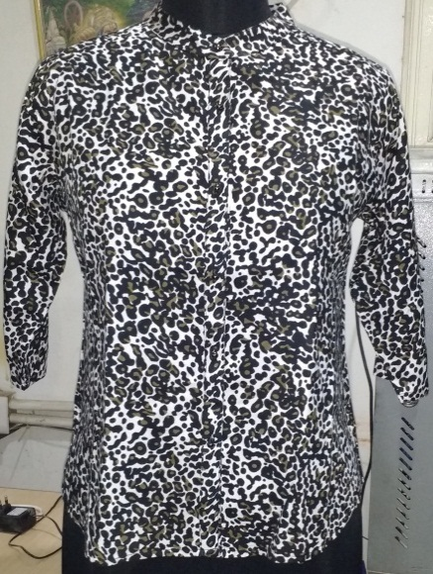 | S | CQSHIRT-117-005-LEOPARD | CQSHIRT-117-005-LEOPARD-S | BROWN | POLY CREPE | 3/4 SLEEVE | MANDARIN | Slim Fit | LEOPARD |  |  |  | 32"/81cm | 26"/66cm | 26"/66cm | 8"/20CM | 18"/46CM | 5"/12CM
 |  | M | CQSHIRT-117-005-LEOPARD | CQSHIRT-117-005-LEOPARD-M | BROWN | POLY CREPE | 3/4 SLEEVE | MANDARIN | Slim Fit | LEOPARD |  |  |  | 33"/84cm | 26.5"/68cm | 26.5"/68cm | 8.5"/21.5CM | 18.5"/47CM | 5.5"/14CM
 |  | L | CQSHIRT-117-005-LEOPARD | CQSHIRT-117-005-LEOPARD-L | BROWN | POLY CREPE | 3/4 SLEEVE | MANDARIN | Slim Fit | LEOPARD |  |  |  | 34"/86cm | 27.25"/69cm | 27.25"/69cm | 9"/23CM | 19"/48CM | 6"/16CM
 |  | XL | CQSHIRT-117-005-LEOPARD | CQSHIRT-117-005-LEOPARD-XL | BROWN | POLY CREPE | 3/4 SLEEVE | MANDARIN | Slim Fit | LEOPARD |  |  |  | 35"/89cm | 28"/71cm | 28"/71cm | 9.5"/24.5CM | 20"/50CM | 6.5"/18CM

8 | 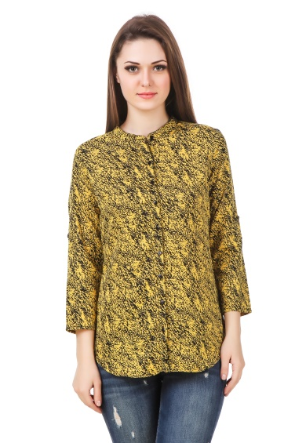 | S | CQSHIRT-117-005- | CQSHIRT-117-005-LEOPARD-S | YELLOW | POLY CREPE | 3/4 SLEEVE | MANDARIN | Slim Fit | LEOPARD |  |  |  | 32"/81cm | 26"/66cm | 26"/66cm | 8"/20CM | 18"/46CM | 5"/12CM
 |  | M | CQSHIRT-117-005-LEOPARD | CQSHIRT-117-005-LEOPARD-M | YELLOW | POLY CREPE | 3/4 SLEEVE | MANDARIN | Slim Fit | LEOPARD |  |  |  | 33"/84cm | 26.5"/68cm | 26.5"/68cm | 8.5"/21.5CM | 18.5"/47CM | 5.5"/14CM
 |  | L | CQSHIRT-117-005-LEOPARD | CQSHIRT-117-005-LEOPARD-L | YELLOW | POLY CREPE | 3/4 SLEEVE | MANDARIN | Slim Fit | LEOPARD |  |  |  | 34"/86cm | 27.25"/69cm | 27.25"/69cm | 9"/23CM | 19"/48CM | 6"/16CM
 |  | XL | CQSHIRT-117-005-LEOPARD | CQSHIRT-117-005-LEOPARD-XL | YELLOW | POLY CREPE | 3/4 SLEEVE | MANDARIN | Slim Fit | LEOPARD |  |  |  | 35"/89cm | 28"/71cm | 28"/71cm | 9.5"/24.5CM | 20"/50CM | 6.5"/18CM
 | 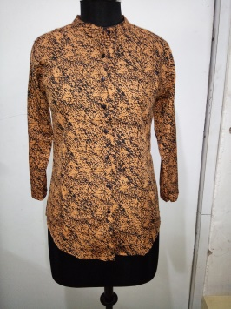

 |  | S | CQSHIRT-117-005- | CQSHIRT-117-005-LEOPARD-S | YELLOW | POLY CREPE | 3/4 SLEEVE | MANDARIN | Slim Fit | LEOPARD |  |  |  | 32"/81cm | 26"/66cm | 26"/66cm | 8"/20CM | 18"/46CM | 5"/12CM
 |  | M | CQSHIRT-117-005-LEOPARD | CQSHIRT-117-005-LEOPARD-M | YELLOW | POLY CREPE | 3/4 SLEEVE | MANDARIN | Slim Fit | LEOPARD |  |  |  | 33"/84cm | 26.5"/68cm | 26.5"/68cm | 8.5"/21.5CM | 18.5"/47CM | 5.5"/14CM
 |  | L | CQSHIRT-117-005-LEOPARD | CQSHIRT-117-005-LEOPARD-L | YELLOW | POLY CREPE | 3/4 SLEEVE | MANDARIN | Slim Fit | LEOPARD |  |  |  | 34"/86cm | 27.25"/69cm | 27.25"/69cm | 9"/23CM | 19"/48CM | 6"/16CM
 |  | XL | CQSHIRT-117-005-LEOPARD | CQSHIRT-117-005-LEOPARD-XL | YELLOW | POLY CREPE | 3/4 SLEEVE | MANDARIN | Slim Fit | LEOPARD |  |  |  | 35"/89cm | 28"/71cm | 28"/71cm | 9.5"/24.5CM | 20"/50CM | 6.5"/18CM

